NSTGDewax and Antigen Retrieval
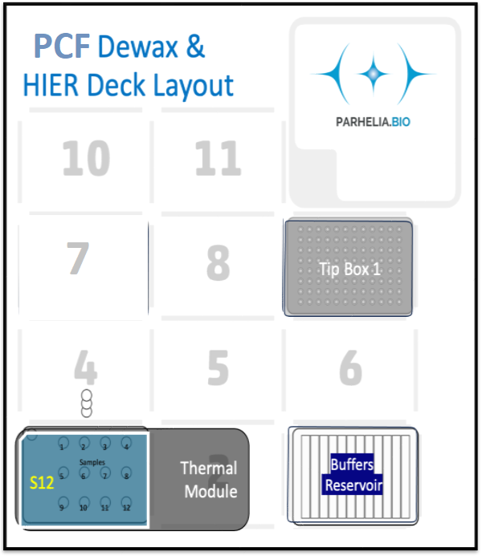
Adjust the values below (click for drop down selection) to match StainWorks configurations to auto-fill
Dewaxing? |  | input cell -> | Yes
Number of Samples: |  | input cell -> | 1
wash_volume [μL] |  | input cell -> | 150
ER Buffer (ER1 or ER2) |  | input cell -> | ER2

Tiprack 1 | position = 9 | 300/200 μL Tip rack #1

Omni-Stainer S12 Staining Module | position = 1
 | 1 | 2 | 3 | 4
A
B
C

Buffers plate | position = 3 | 12-trough, sealed with a pierceable sealing sheet
 | 1 | 2 | 3 | 4 | 5 | 6 | 7 | 8 | 9 | 10 | 11 | 12
A |  |  |  | PBS |  |  | Water
Volume

Last Updated: Nov 19th, 2023.
Nels Wedin, Parhelia Biosciences

